Sheet1
(1)Query all columns for all American cities in the CITY table with populations larger than 100000. The CountryCode for America is USA.
The CITY table is described as follows:
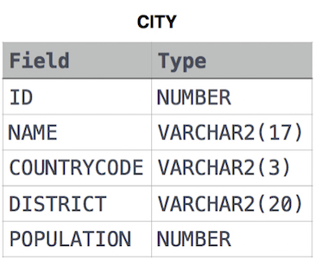

Select * from CITY
WHERE COUNTRYCODE='USA' AND POPULATION>'100000';

(2)Query all columns (attributes) for every row in the CITY table.
The CITY table is described as follows:

Select * from CITY;

(3)Query all columns for a city in CITY with the ID 1661.

Select * from CITY where ID='1661';

(4)Query all attributes of every Japanese city in the CITY table. The COUNTRYCODE for Japan is JPN.

select * from CITY where COUNTRYCODE='JPN';

(5)Query the names of all the Japanese cities in the CITY table. The COUNTRYCODE for Japan is JPN.

select name from CITY where COUNTRYCODE='JPN';

Sheet2
Query a list of CITY and STATE from the STATION table.
The STATION table is described as follows:

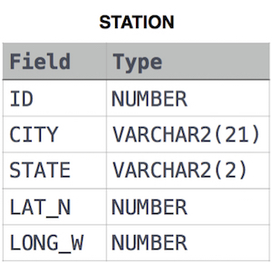

select CITY,STATE from STATION;

(2)Query a list of CITY names from STATION for cities that have an even ID number. Print the results in any order, but exclude duplicates from the answer.

SELECT DISTINCT(CITY) FROM STATION WHERE (ID%2)=0 ;

(3)Find the difference between the total number of CITY entries in the table and the number of distinct CITY entries in the table.

SELECT (COUNT(CITY) - COUNT(DISTINCT CITY)) FROM STATION;

(4)Query the two cities in STATION with the shortest and longest CITY names, as well as their respective lengths (i.e.: number of characters in the name). If there is more than one smallest or largest city, choose the one that comes first when ordered alphabetically.

(select city, length(city) from station order by length(city) desc, city asc limit 1)
union
(select city, length(city) from station order by length(city) asc, city asc limit 1);

Query the list of CITY names starting with vowels (i.e., a, e, i, o, or u) from STATION. Your result cannot contain duplicates.

SELECT DISTINCT CITY FROM STATION WHERE LEFT(CITY,1) IN ('a','i','e','o','u');

Query the list of CITY names ending with vowels (a, e, i, o, u) from STATION. Your result cannot contain duplicates.

SELECT DISTINCT CITY FROM STATION WHERE RIGHT(CITY,1) IN ('a','i','e','o','u');

Query the list of CITY names from STATION which have vowels (i.e., a, e, i, o, and u) as both their first and last characters. Your result cannot contain duplicates.

select distinct city from station
where left(city,1) in ('a','e','i','o','u')
and right(city, 1) in ('a','e','i','o','u')

Query the list of CITY names from STATION that do not start with vowels. Your result cannot contain duplicates.

select distinct city from station
where left(city, 1) NOT IN('a','e','i','o','u');

Query the list of CITY names from STATION that do not end with vowels. Your result cannot contain duplicates.

select distinct city from station
where right(city, 1) NOT IN('a','e','i','o','u');

Query the list of CITY names from STATION that either do not start with vowels or do not end with vowels. Your result cannot contain duplicates.

select distinct city from station
where left(city,1) not in ('a','e','i','o','u')
and right(city, 1) not in ('a','e','i','o','u');

Sheet3
(1)Query the Name of any student in STUDENTS who scored higher than Marks. Order your output by the last three characters of each name. If two or more students both have names ending in the same last three characters (i.e.: Bobby, Robby, etc.), secondary sort them by ascending ID.

Input Format
The STUDENTS table is described as follows:
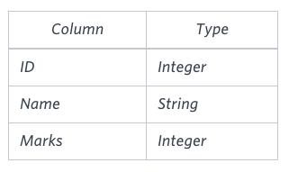

The Name column only contains uppercase (A-Z) and lowercase (a-z) letters.
Sample Input

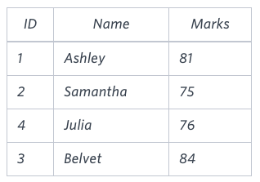

SELECT name FROM students WHERE marks >75 ORDER BY RIGHT(name,3) , ID ASC;

Sheet4
Write a query that prints a list of employee names (i.e.: the name attribute) from the Employee table in alphabetical order.
Input Format
(1)The Employee table containing employee data for a company is described as follows:
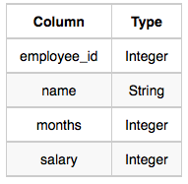

where employee_id is an employee's ID number, name is their name, months is the total number of months they've been working for the company, and salary is their monthly salary.

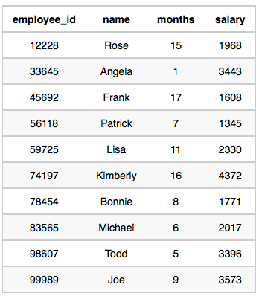

SELECT NAME FROM EMPLOYEE
order by NAME;

(2)Write a query that prints a list of employee names (i.e.: the name attribute) for employees in Employee having a salary greater than per month who have been employees for less than months. Sort your result by ascending employee_id.

SELECT NAME FROM EMPLOYEE WHERE SALARY>2000 AND MONTHS<10 ORDER BY employee_id asc;

Sheet5
Write a query identifying the type of each record in the TRIANGLES table using its three side lengths. Output one of the following statements for each record in the table:
Equilateral: It's a triangle with sides of equal length.

Isosceles: It's a triangle with sides of equal length.

Scalene: It's a triangle with sides of differing lengths.

Not A Triangle: The given values of A, B, and C don't form a triangle.

Input Format
The TRIANGLES table is described as follows:

Each row in the table denotes the lengths of each of a triangle's three sides.
Sample Input
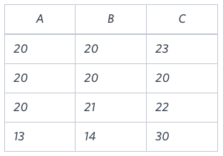

SELECT CASE
WHEN A + B > C AND B + C > A AND A + C > B THEN
CASE
WHEN A = B AND B = C THEN 'Equilateral'
WHEN A = B OR B = C OR A = C THEN 'Isosceles'
ELSE 'Scalene'
END
ELSE 'Not A Triangle'
END
FROM TRIANGLES;

Sheet8
Samantha was tasked with calculating the average monthly salaries for all employees in the EMPLOYEES table, but did not realize her keyboard's key was broken until after completing the calculation. She wants your help finding the difference between her miscalculation (using salaries with any zeros removed), and the actual average salary.
Write a query calculating the amount of error (i.e.: average monthly salaries), and round it up to the next integer.
Input Format
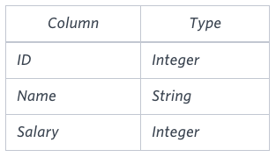
The EMPLOYEES table is described as follows:

Note: Salary is per month.

Sample Input
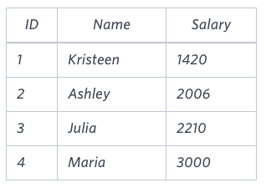

SELECT CEIL(AVG(Salary)-AVG(REPLACE(Salary,'0',''))) FROM EMPLOYEES;

